Instructions
Create a mail merge using Sheetgo

 | ➊ | ➋ | ➌

 | Click "Use template" on the top right. | Click "Use" to open the Sheetgo add-on. | Select "Export data to another file".

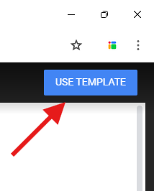
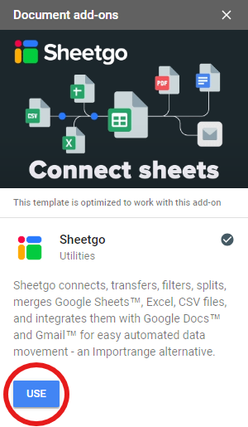
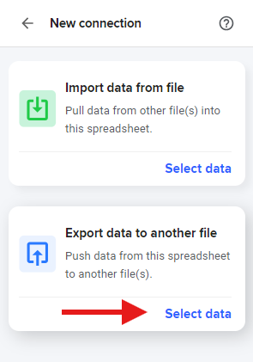

 | ➍ | ➎ | ➏

 | Under "File tab", choose one of the sample tabs from this spreadsheet to generate your first mail merge batch. Then click "Next step". | Under "Select a destination", go down to "Generate" and choose "Email". | For the recipient select the column that has the emails. Customize the subject and body. Include smart tags to add data from the spreadsheet.

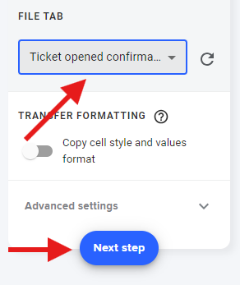
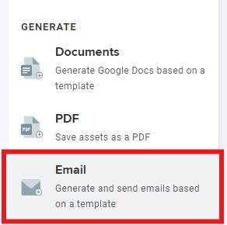
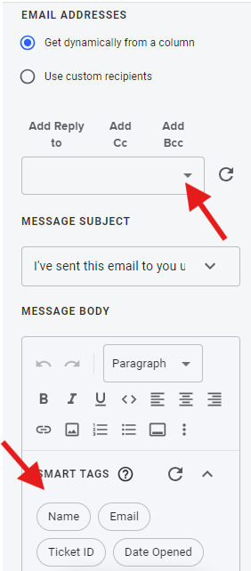

 | ➐

 | Turn on "Check email recipients" to add a timestamp in your database upon sending the email. This helps avoid sending repeated emails.

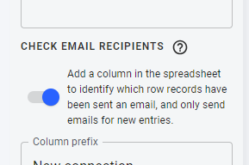

 | Advanced settings

 | ✅ Track emails - Allows Sheetgo to check if the email was opened and if its links were clicked. ✅ Email layout - Remove Sheetgo layout from generated emails.

 | DISCLAIMER - All data in these sample tables is not real and the emails addresses are not valid. Add functional emails to fully test this feature.

